Bug report page


BUG 1. | BUG 2. | BUG 3.
Shop now button doesn't work | Input field is not visible | Products are not align
Browser : Chrome Version 110.0.5481.100 (Official Build) (64-bit) | Browser : Chrome Version 110.0.5481.100 (Official Build) (64-bit) | Browser : Chrome Version 110.0.5481.100 (Official Build) (64-bit)
Operating system : Linux | Operating system : Linux | Operating system : Linux
Priority : High | Priority : Low | Priority : Low
Date : 18.2.2023. | Date : 18.2.2023. | Date : 18.2.2023.
Path : https://shop.demoqa.com/ | Path : https://shop.demoqa.com/ then click search button | https://shop.demoqa.com/shop/

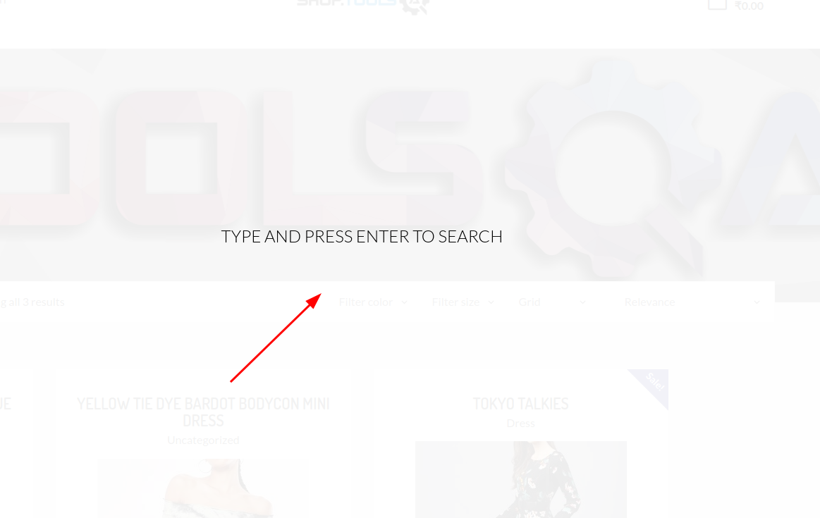
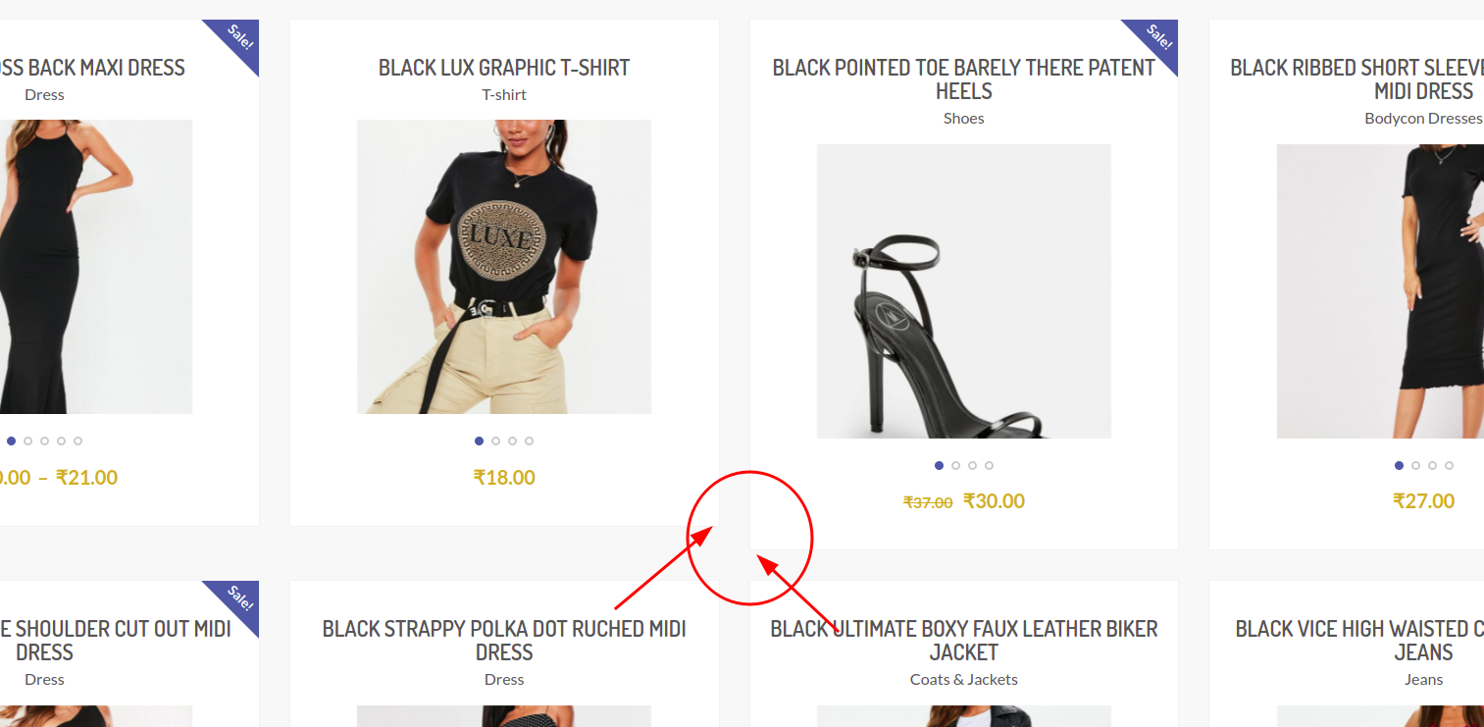

BUG 4. | BUG 5.
Show now button doesn't work | Show now button doesn't work
Browser : Chrome Version 110.0.5481.100 (Official Build) (64-bit) | Browser : Chrome Version 110.0.5481.100 (Official Build) (64-bit)
Operating system : Linux | Operating system : Linux
Priority : High | Priority : High
Date : 18.2.2023. | Date : 18.2.2023.
Path : https://shop.demoqa.com/ | Path : https://shop.demoqa.com/

